DashBoard
INDIAN PREMIER LEAGUE ANALYSIS
Season
IPL-2024
Winner
Kolkata Knight Riders
Runner Up
Sunrisers Hyderabad
Player of the Series
Mitchell Starc

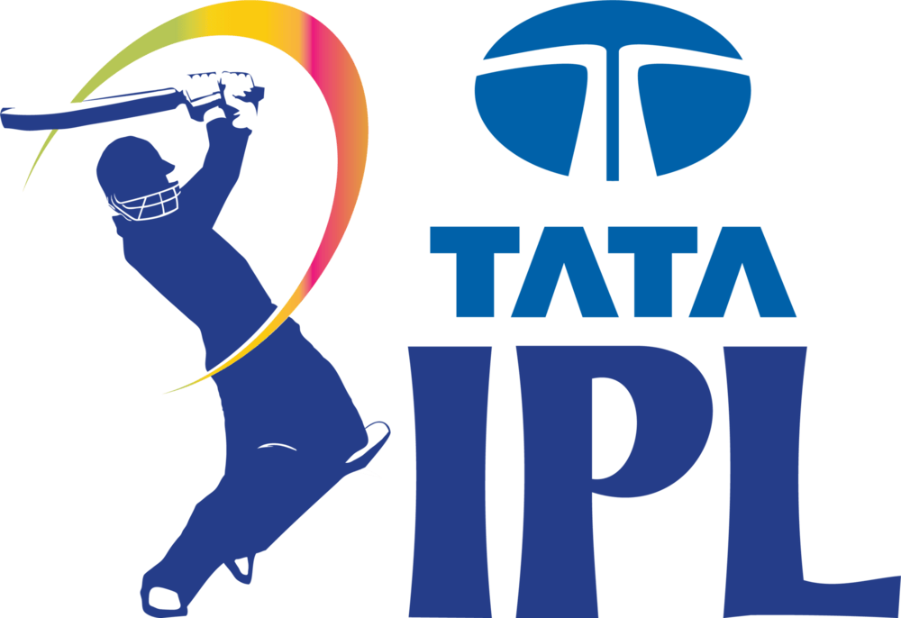

Matches win by Team wrt Bat first and Field first Since 2019 To 2024
 | bat | field
Delhi Capitals | 13 | 35
Chennai Super Kings | 13 | 35
Mumbai Indians | 13 | 33
Kolkata Knight Riders | 15 | 30
Royal Challengers Bangalore | 12 | 32
Rajasthan Royals | 9 | 33
Sunrisers Hyderabad | 11 | 25
Gujarat Titans | 9 | 19
Punjab Kings | 4 | 20
Lucknow Super Giants | 6 | 18
Kings XI Punjab | 3 | 9
NA |  | 2
Toss Decision Based Winning %
 | Total
bat | 27.07%
field | 72.93%
Top 10 Venues with most matches and winning Based on Bat First & Field First
 | bat | field
Eden Gardens, Kolkata | 2 | 14
Arun Jaitley Stadium, Delhi | 4 | 12
Brabourne Stadium, Mumbai | 3 | 13
Dr DY Patil Sports Academy, Mumbai | 3 | 17
Sharjah Cricket Stadium | 6 | 16
Sheikh Zayed Stadium | 11 | 11
Narendra Modi Stadium, Ahmedabad | 5 | 19
MA Chidambaram Stadium, Chepauk, Chennai | 12 | 16
Dubai International Cricket Stadium | 16 | 23
Wankhede Stadium, Mumbai | 8 | 37

Top 10 Man of Match Winners
 | MOM Won
KL Rahul | 11
RD Gaikwad | 11
Shubman Gill | 10
JC Buttler | 9
RA Jadeja | 8
S Dhawan | 8
AD Russell | 8
JJ Bumrah | 8
SA Yadav | 7
MP Stoinis | 7

Matches win by team
Matches win by Team wrt Bat first and Field first Since 2019
 | bat | field
Delhi Capitals | 13 | 35
Chennai Super Kings | 13 | 35
Mumbai Indians | 13 | 33
Kolkata Knight Riders | 15 | 30
Royal Challengers Bangalore | 12 | 32
Rajasthan Royals | 9 | 33
Sunrisers Hyderabad | 11 | 25
Gujarat Titans | 9 | 19
Punjab Kings | 4 | 20
Lucknow Super Giants | 6 | 18
Kings XI Punjab | 3 | 9
NA |  | 2
Count of toss_winner | Column Labels
Row Labels | bat | field | Grand Total
Delhi Capitals | 13 | 35 | 48
Chennai Super Kings | 13 | 35 | 48
Mumbai Indians | 13 | 33 | 46
Kolkata Knight Riders | 15 | 30 | 45
Royal Challengers Bangalore | 12 | 32 | 44
Rajasthan Royals | 9 | 33 | 42
Sunrisers Hyderabad | 11 | 25 | 36
Gujarat Titans | 9 | 19 | 28
Punjab Kings | 4 | 20 | 24
Lucknow Super Giants | 6 | 18 | 24
Kings XI Punjab | 3 | 9 | 12
NA |  | 2 | 2
Grand Total | 108 | 291 | 399

Toss Based Decision
Toss Decision Based Winning %
Row Labels | Count of winner
bat | 27.07%
field | 72.93%
Grand Total | 100.00%

Top 10 venues
Top 10 Venues with most matches and winning Based on Bat First & Field First
Count of winner | Column Labels
Row Labels | bat | field | Grand Total
Eden Gardens, Kolkata | 2 | 14 | 16
Arun Jaitley Stadium, Delhi | 4 | 12 | 16
Brabourne Stadium, Mumbai | 3 | 13 | 16
Dr DY Patil Sports Academy, Mumbai | 3 | 17 | 20
Sharjah Cricket Stadium | 6 | 16 | 22
Sheikh Zayed Stadium | 11 | 11 | 22
Narendra Modi Stadium, Ahmedabad | 5 | 19 | 24
MA Chidambaram Stadium, Chepauk, Chennai | 12 | 16 | 28
Dubai International Cricket Stadium | 16 | 23 | 39
Wankhede Stadium, Mumbai | 8 | 37 | 45
Grand Total | 70 | 178 | 248

MoM
Top 10 Man of Match Winners
Row Labels | Count of player_of_match | Player_of_match | MOM Won
KL Rahul | 11 | KL Rahul | 11
RD Gaikwad | 11 | RD Gaikwad | 11
Shubman Gill | 10 | Shubman Gill | 10
JC Buttler | 9 | JC Buttler | 9
RA Jadeja | 8 | RA Jadeja | 8
S Dhawan | 8 | S Dhawan | 8
AD Russell | 8 | AD Russell | 8
JJ Bumrah | 8 | JJ Bumrah | 8
SA Yadav | 7 | SA Yadav | 7
MP Stoinis | 7 | MP Stoinis | 7
F du Plessis | 7
AB de Villiers | 7
V Kohli | 7
SV Samson | 6
Kuldeep Yadav | 6
CV Varun | 6
JM Bairstow | 6
SP Narine | 6
Rashid Khan | 6
TA Boult | 5
Q de Kock | 5
RR Pant | 5
R Ashwin | 5
HH Pandya | 5
KA Pollard | 5
YS Chahal | 5
YBK Jaiswal | 5
AR Patel | 4
SM Curran | 4
GJ Maxwell | 4
PP Shaw | 4
Abhishek Sharma | 4
DP Conway | 4
KS Williamson | 3
MA Agarwal | 3
N Pooran | 3
DA Warner | 3
A Nortje | 3
SR Watson | 3
C Green | 3
SS Iyer | 3
SO Hetmyer | 3
VR Iyer | 3
RA Tripathi | 3
Ishan Kishan | 3
Harpreet Brar | 3
RG Sharma | 3
TM Head | 3
RK Singh | 3
MS Dhoni | 3
KD Karthik | 3
Mohammed Siraj | 3
MM Sharma | 3
NA | 2
DA Miller | 2
MA Starc | 2
PWH de Silva | 2
JD Unadkat | 2
K Rabada | 2
BA Stokes | 2
A Mishra | 2
SN Thakur | 2
R Parag | 2
MP Yadav | 2
R Tewatia | 2
Umran Malik | 2
CH Gayle | 2
WP Saha | 2
KH Pandya | 2
Shivam Mavi | 2
KK Ahmed | 2
MM Ali | 2
Harbhajan Singh | 2
I Sharma | 2
Avesh Khan | 2
B Sai Sudharsan | 2
D Padikkal | 2
MR Marsh | 2
RM Patidar | 2
DL Chahar | 2
LH Ferguson | 2
UT Yadav | 2
M Pathirana | 2
PD Salt | 2
S Dube | 2
PJ Cummins | 2
HV Patel | 2
Sandeep Sharma | 2
Mohammed Shami | 2
Shashank Singh | 1
Mustafizur Rahman | 1
Mohsin Khan | 1
PA Patel | 1
NM Coulter-Nile | 1
JR Hazlewood | 1
Simarjeet Singh | 1
EJG Morgan | 1
DR Sams | 1
PK Garg | 1
VR Aaron | 1
PN Mankad | 1
P Simran Singh | 1
AS Joseph | 1
J Fraser-McGurk | 1
Kartik Tyagi | 1
A Manohar | 1
GD Phillips | 1
SPD Smith | 1
CH Morris | 1
Mukesh Choudhary | 1
CJ Jordan | 1
N Rana | 1
R Sai Kishore | 1
WD Parnell | 1
R Shepherd | 1
NT Ellis | 1
AT Rayudu | 1
Shahbaz Ahmed | 1
KMA Paul | 1
DJ Bravo | 1
KS Bharat | 1
Sikandar Raza | 1
HC Brook | 1
SL Malinga | 1
RD Chahar | 1
J Little | 1
HF Gurney | 1
Akash Madhwal | 1
AM Rahane | 1
Arshdeep Singh | 1
LS Livingstone | 1
JJ Roy | 1
M Jansen | 1
TH David | 1
B Kumar | 1
E Lewis | 1
RR Rossouw | 1
JO Holder | 1
Anuj Rawat | 1
Nithish Kumar Reddy | 1
Imran Tahir | 1
WG Jacks | 1
S Gopal | 1
Yash Thakur | 1
S Nadeem | 1
OF Smith | 1
MA Wood | 1
MK Pandey | 1
Grand Total | 399

